RESP
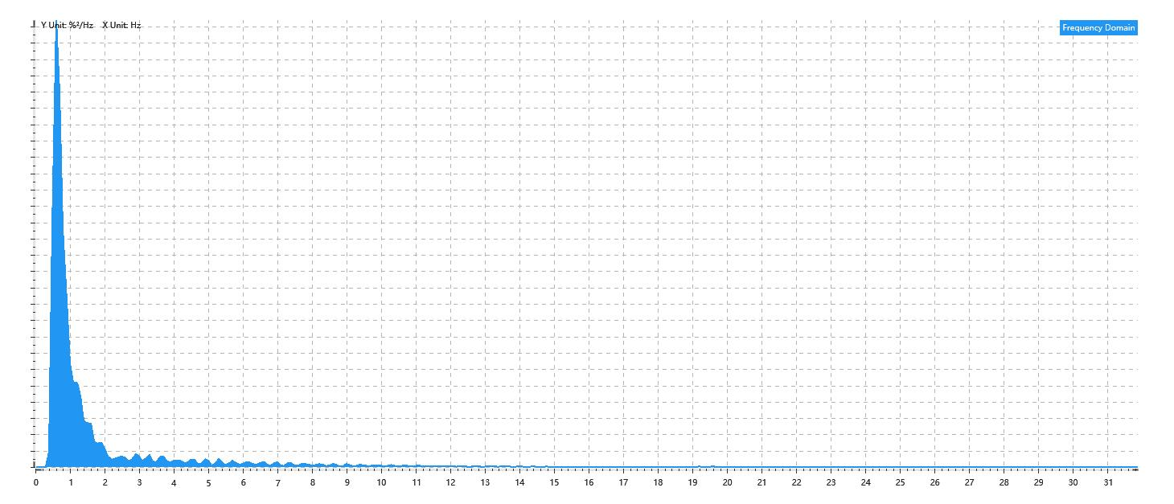
Data Info
 | Recording | 记录011
 | Subject | 焦相婷
 | Create Time | 2024-07-10 15:06:41.993
 | Data Name | Chest1 RESP
 | Data Type | RESP
 | Sample Rate | 64
 | Segment | 前静息态
 | Start Time | 0:01:11
 | End Time | 0:06:11
 | Duration | 0:05:00

Replay Chart
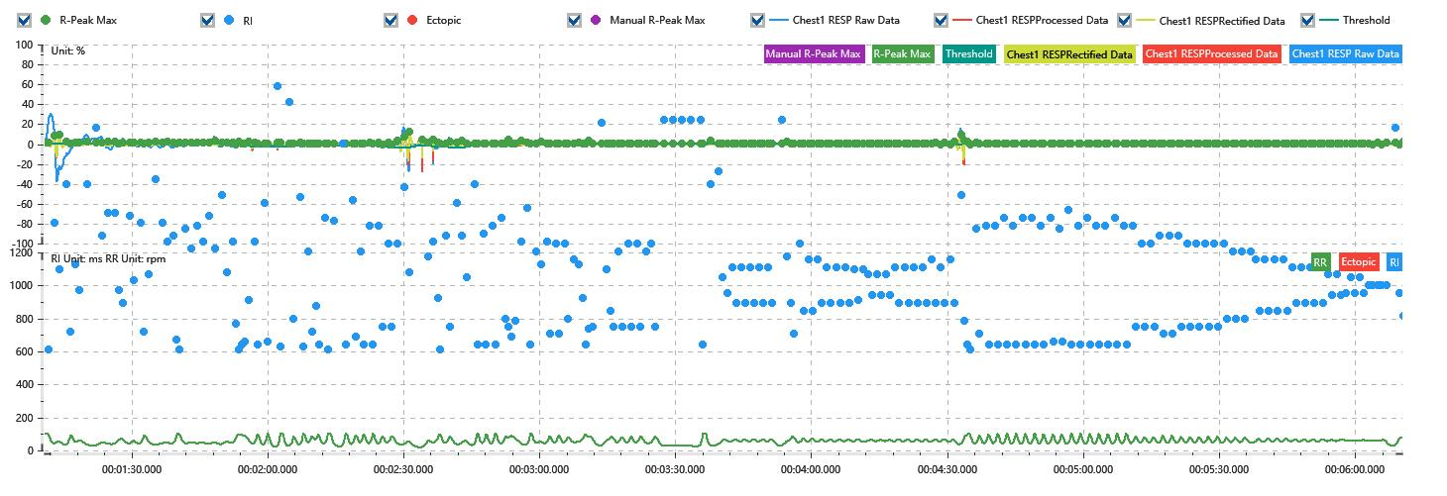

Process parameters
 | Filters
 | Wavlet filter | Enabled | 中
 | Baseline filter | Enabled | 0.5%
 | Band Stop filter | Enabled | 50%
 | Low Pass filter | Enabled | 20%
 | Interbeat Interval
 | R-Peak extraction | Maximum resp rate | 100rpm
 | R-Peak extraction | R-Peak mark threshold | 50%
 | Rectification | Method | Enabled | 滑动平均
 | Rectification | Window size | Enabled | 100ms

Time Domain
 | Data | AVRESP | Std | Max | Min | Range | Data Length
 | Respiratory Rate | 58.27rpm | 17.18rpm | 100rpm | 19.4rpm | 80.6rpm | 4801

Frequency Domain
 | Power | Peak | Data Length
 | 15.06%² | 0.6Hz | 320

PSD Chart

